Sheet1
 | Document No. |  | Issue No. | Issue Date |  |  | Review and Replace Date |  | Authorised By
 | GFF277MC |  | 1 | 04.08.2021 |  |  | New Issue |  | Magda Shah
 | Document Title |  | King Prawns with Marie Rose Dip 105g
Document amendments reason for change | New product launch |  |  | Page 1 of 1 |  | Previous Issue Date |  | New Issue | Uncontrolled copy unless signed original

CPMRC-G1TDG |  | FSC - Deli By Shell |  |  | King Prawns with Marie Rose Dip 105g | CHILLED
STEP 1 |  |  |  |  |  | STEP 2
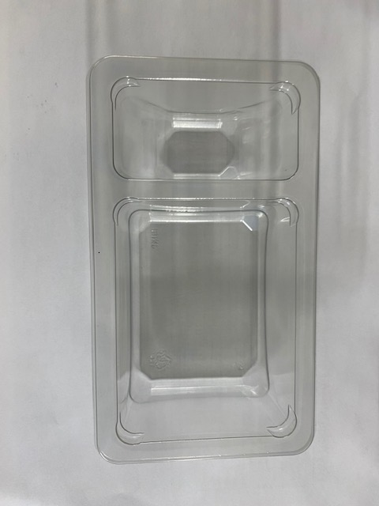
NON-GAS FLASHED PRODUCT

Packaging: Duo-Pot Tray (PKLEE001-01) |  |  |  |  |  | Marie Rose Sauce (RMPIQ001-02) 40g
Line 1: Mylar 250LAF 250mm x 1000 (PKWRA001-08) Line 1: K-Peel 75G + AF 25 250mm (PKKMP001-01) Line 2: Mylar 25OLAF - 380mm wide (PKWRA001-02)
STEP 3 |  |  |  |  |  | STEP 4

COOK DAY
+ 6 DAYS

Marinated Prawns (GFF344R) 65g |  |  |  |  |  | TOTAL WEIGHT: 105g

ALLERGY ALERT: : Crustacean, Egg, Sulphites

